Test Scenarios
Test Case ID | Test Case Description | Steps to Execute | Expected Result | Actual Result | Status | Evidence
TC001 | Test Addition | 1. Click '1' 2. Click '+' 3. Click '2' 4. Click '=' | Display '3' | Display '3' | Pass | 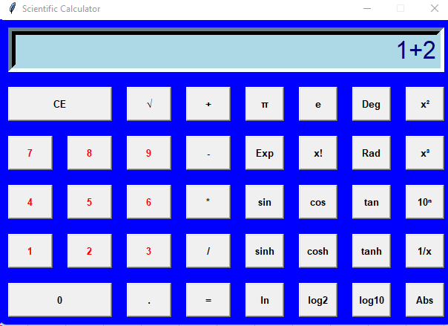 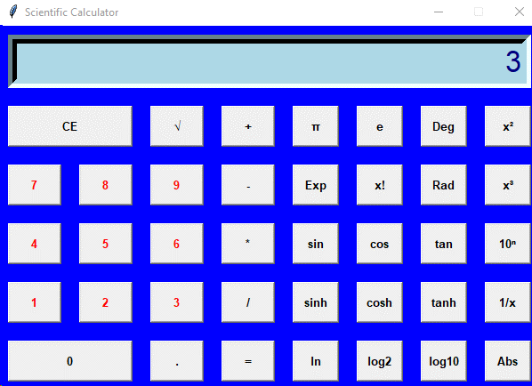
TC002 | Test Subtraction | 1. Click '5' 2. Click '-' 3. Click '3' 4. Click '=' | Display '2' | Display '2' | Pass | 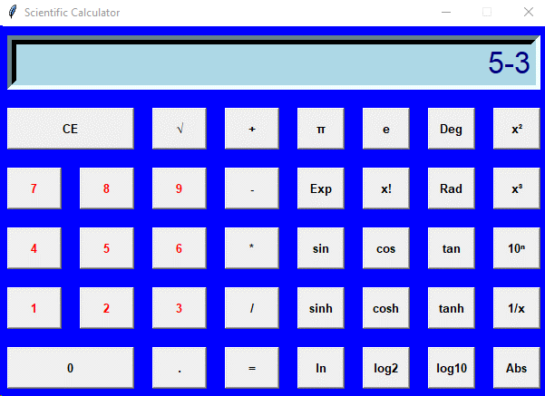 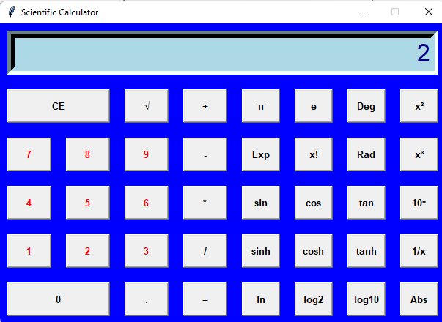
TC003 | Test Multiplication | 1. Click '4' 2. Click '*' 3. Click '2' 4. Click '=' | Display '8' | Display '8' | Pass | 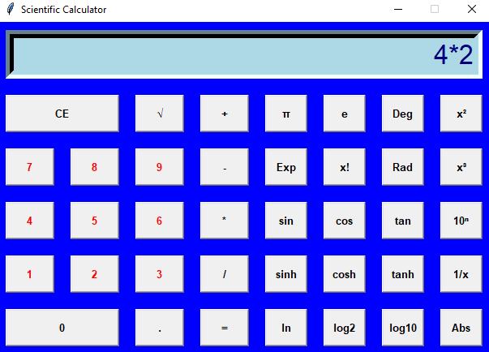 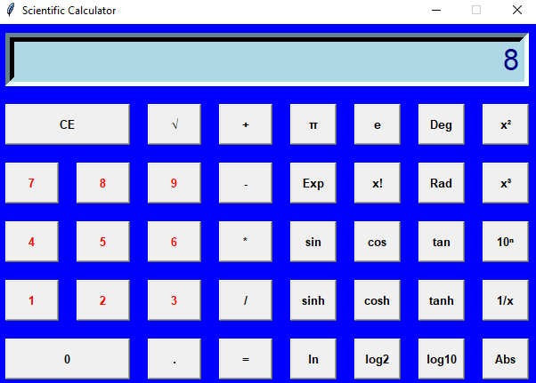
TC004 | Test Division | 1. Click '8' 2. Click '/' 3. Click '2' 4. Click '=' | Display '4' | Display '4' | Pass | 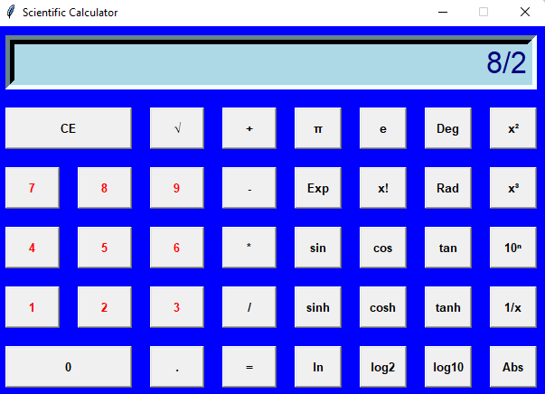 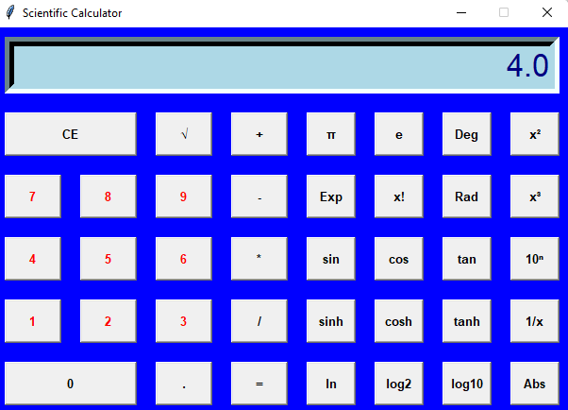
TC005 | Test Square Root | 1. Click '9' 2. Click '√' | Display '3' | Display '3' | Pass | 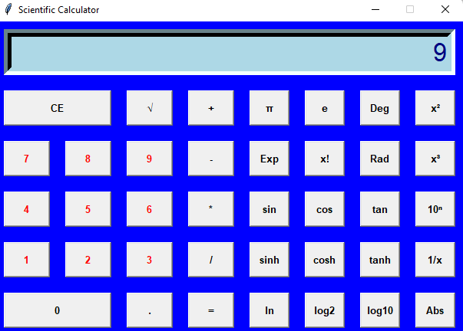 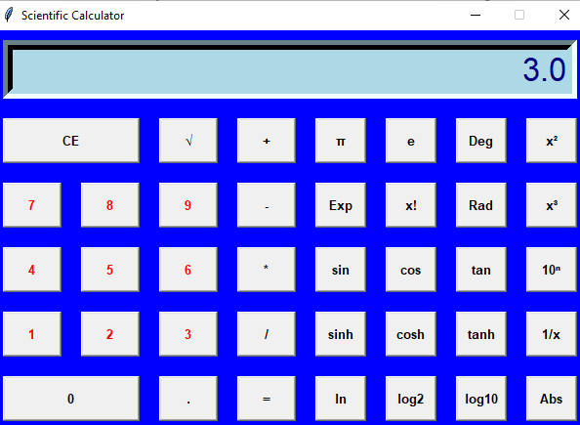
TC006 | Test Pi | 1. Click 'π' | Display '3.14159...' | Display '3.14159...' | Pass | 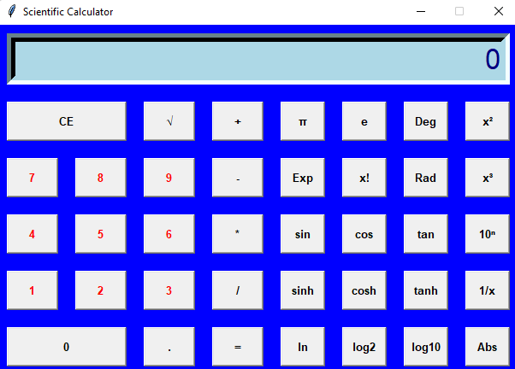 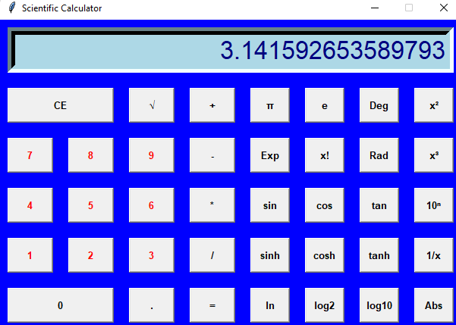
TC007 | Test Factorial | 1. Click '5' 2. Click 'x!' | Display '120' | No Change | Fail
TC008 | Test Division by Zero | 1. Click '5' 2. Click '/' 3. Click '0' 4. Click '=' | Display 'Error' | No Change | Fail | 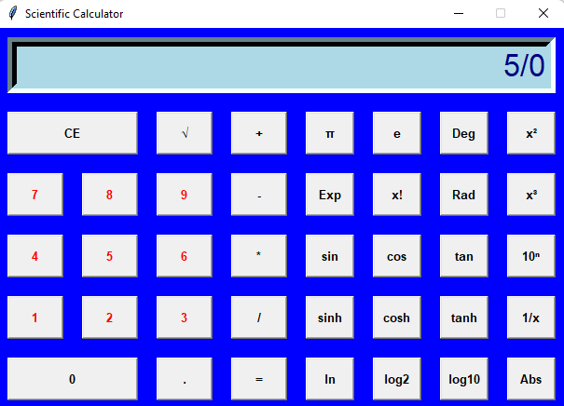
TC009 | Test Invalid Input | 1. Click '0' 2. Click 'log10' | Display 'Error' | Display 'Error' | Pass | 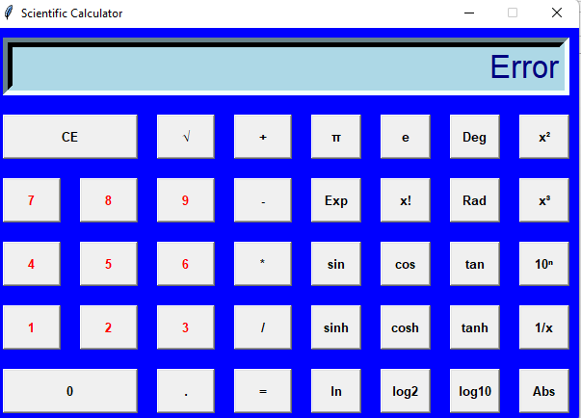
TC010 | Test Clear Entry | 1. Click '5' 2. Click 'CE' | Display '0' | Display '0' | Pass | 